Sheet1
No | Nama Barang | Spesifikasi | Quantity | Satuan | Harga Satuan | Overhead 15% | Ongkir | Total | Link Pembelian | Foto | PDN/IMPORT | Ket
1 | Motor DC 3V 12V 60RPM Slow Speed Micro N20 Full Metal Gearbox + Kabel | 1.Rated voltage: DC 5V 2.No-load current: 50mA 3.No-load speed: 60RPM 4.Suitable voltage: DC 3V-12V 5.Speed: 36RPM-108RPM 6.Shaft diameter: 3mm (D-shaped 2.5mm) 7.Output shaft length：7mm | 6 | Pcs | Rp12,000 | Rp13,800 | Rp35.000 | Rp117,800 | https://www.tokopedia.com/aisyahrobot/motor-dc-3v-12v-60rpm-slow-speed-micro-n20-full-metal-gearbox-kabel?extParam=ivf%3Dfalse&src=topads | 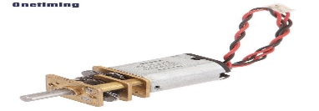 | PDN | dibutuhkan untuk mengganti motor servo yang lama
2 | GY-530 GY530 VL53L0X time of flight (ToF) distance sensor | Infrared distance measurement module Model: GY - VL53L0X Using the chip: VL53L0X Power supply: 2.8 to 5 v Communication: the IIC communication protocol (fully compatible with 3-5 v system) Module size: 10.5 mm * 13.3 mm | 6 | Pcs | Rp43,288 | Rp49,781 | Rp35.000 | Rp333,687 | https://www.tokopedia.com/kivala/gy-530-gy530-vl53l0x-time-of-flight-tof-distance-sensor-biru?extParam=ivf%3Dfalse&src=topads | 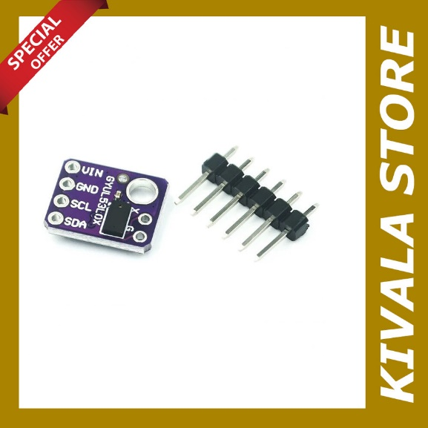 | PDN | dibutuhkan untuk mengganti sensor TCRT500 yang lama
3 | Development Kit NodeMCU + Motor Shield ESP12E WIFI DIY | Based on ESP-12E development kit, it can facilitate the development of WiFi Smart car, free to send Android phone source. ESP12 DEV KIT development board expansion module; lead ESP12 DEV KIT All-function pins: SPI, UART, GPIO, AI and 3.3V power connector; expand two-way motor-driven, two-way direct drive motor; onboard power switch; Motor power range: 4.5V ~ 36V; Control power range: 4.5V ~ 9V; Motor power, control power separation; In the experiment, by short-circuiting block the merger, the VIN and VM short, while power supply to the motor and the control board. Precautions When l insert ESP-12E module, please note the direction consistent with an expansion board antenna; use of short modules that can simultaneously control board and motor | 3 | Pcs | Rp58,000 | Rp66,700 | Rp35.000 | Rp235,100 | https://www.tokopedia.com/zunixe/development-kit-nodemcu-motor-shield-esp12e-wifi-diy?extParam=ivf%3Dfalse%26keyword%3Dmotor+shield+esp12e%26search_id%3D20241008133501E0DEFCAD37E29029D7F1%26src%3Dsearch&refined=true | 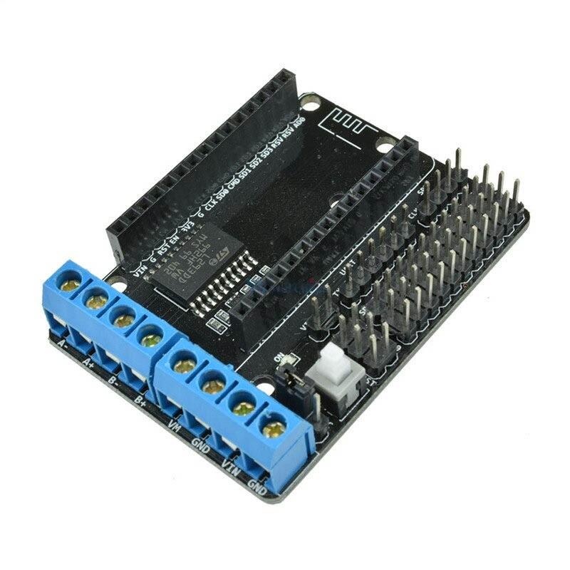 | PDN | Dibutuhkan untuk motor shield dan ESP8266
4 | RODA BAN N20 MOTOR DC GEARBOX WHEEL TYRE SMART CAR ARDUINO RASPBERRY | Diameter: 44mm Ketebalan: 17.5mm Bukaan: D Shaft 2.25mm hole Bahan: plastik rekayasa ABS + karet impor | 6 | Pcs | Rp6,500 | Rp7,475 | Rp35.000 | Rp79,850 | https://www.tokopedia.com/cncstorebandung/roda-ban-n20-motor-dc-gearbox-wheel-tyre-smart-car-arduino-raspberry | 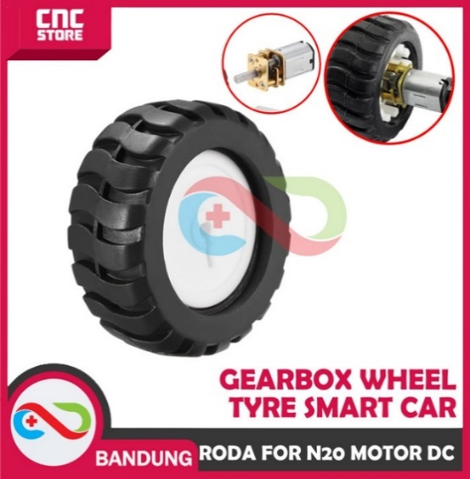 | PDN | Digunakan untuk roda motor N20
5 | ESP32 CAM OV2640 WITH DOWNLOADER SHIELD ESP32 CAM MB PROGRAMER | 1.Low-power dual-core 32-bit CPU for application processors 2.Main frequency up to 240MHz, computing power up to 600 DMIPS 3.Built-in 520 KB SRAM, external 4M PSRAM 4.Supports interfaces such as UART/SPI/I2C/PWM/ADC/DAC 5.Support OV2640 and OV7670 cameras, built-in flash 6.Support image WiFi upload 7.Support TF card 8.Support multiple sleep modes 9.Embedded Lwip and FreeRTOS 10.Support STA/AP/STA+AP working mode 11.Support Smart Config/AirKiss one-click distribution network 12.Support secondary development | 1 | Pcs | Rp96,000 | Rp110,400 | Rp35.000 | Rp145,400 | https://www.tokopedia.com/mycnc/esp32-cam-ov2640-with-downloader-shield-esp32-cam-mb-programer?extParam=ivf%3Dfalse%26keyword%3Desp32+cam+%2B+shield%26search_id%3D20241008134205E0DEFCAD37E29009A6D1%26src%3Dsearch | 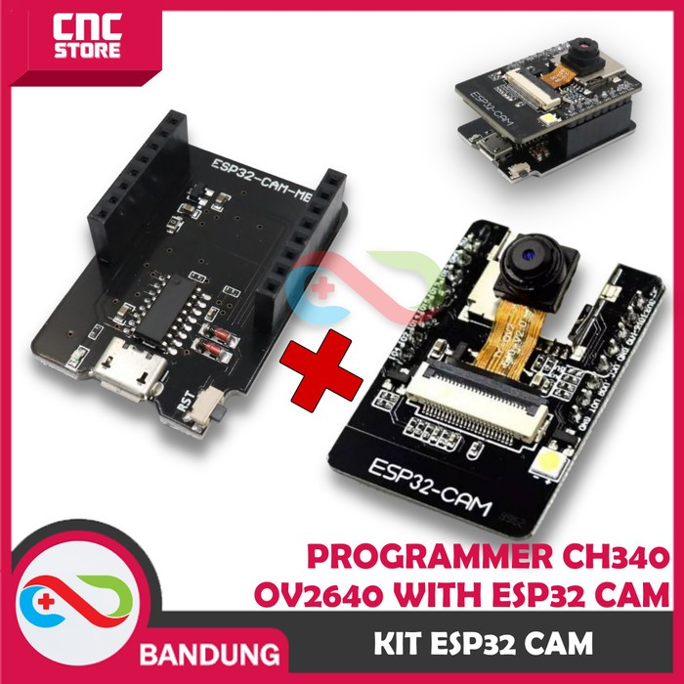 | PDN | Digunakan untuk kamera pada robot swarm
6 | Spacer PCB Plastik Nylon M3 Set 180 Pcs Kaki Metal Mur Baut 3mm 4-12mm | m3x5 x 10pcs, m3x6 x 10pcs, m3x8 x 10pcs, m3x10 x 10pcs ,m3x12 x 10pcs | 3 | pcs | Rp24,000 | Rp27,600 | Rp35.000 | Rp117,800 | https://www.tokopedia.com/efst/spacer-pcb-plastik-nylon-m3-set-180-pcs-kaki-metal-mur-baut-3mm-4-12mm?extParam=ivf%3Dfalse%26keyword%3Dspacer+plastik%26search_id%3D2024101710224623DE0CC39E55CE3AA8QL%26src%3Dsearch | 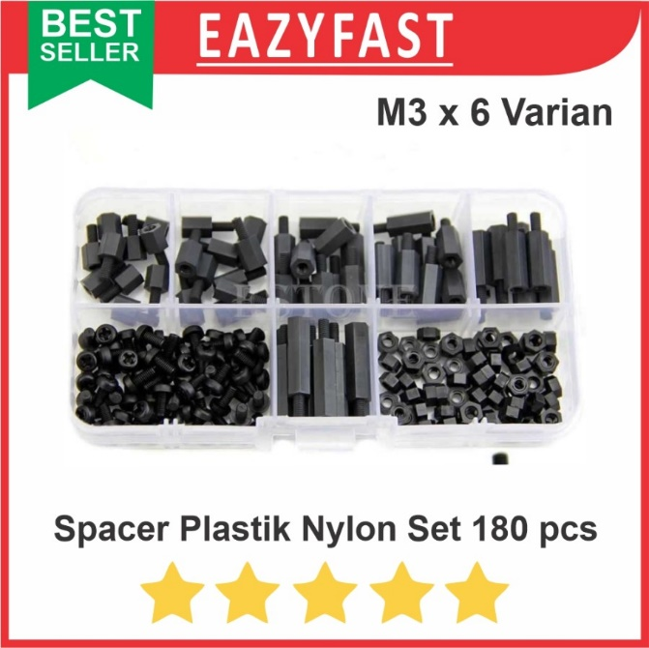 | PDN | Digunakan untuk stand komponen pada robot
7 | PCF8574 I2C 8-bit I/O expander GPIO Expansion Module Digital Pin Extender for Arduinoo ESP8266 ESP32 - Kuning | 1. I2C to Parallel-Port Expander 2. Open-Drain Interrupt Output 3. Compatible With Most Microcontrollers 4. Latched Outputs With High-Current Drive Capability for Directly Driving LEDs 5. Latch-Up Performance Exceeds 100 mA Per JESD 78, Class II | 3 | pcs | Rp15,000 | Rp17,250 | Rp35.000 | Rp86,750 | https://www.tokopedia.com/rajacell/pcf8574-i2c-8-bit-i-o-expander-gpio-expansion-module-digital-pin-extender-for-arduinoo-esp8266-esp32-kuning-2-cbc62?extParam=ivf%3Dfalse%26keyword%3Di2c+extender%26search_id%3D20241017104333ED2A65F8652C991EE0QE%26src%3Dsearch | 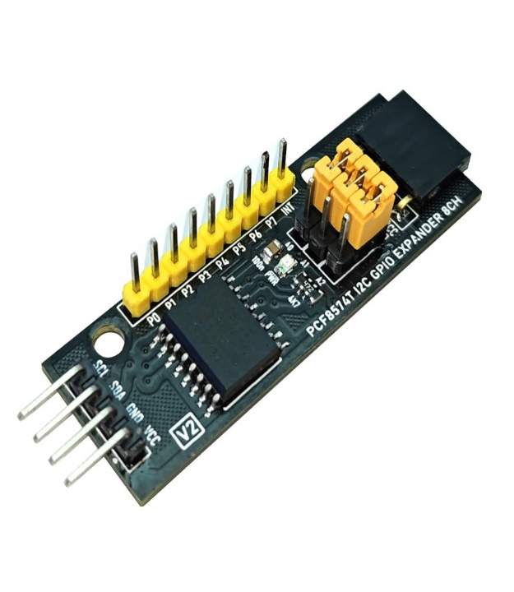 | PDN | digunakan untuk extender koneksi ke esp8266
8 | Rotary Encoder Module Modul Arduino Potensio Klik No Limit 360 Derajat | - Rotary encoder can be counted by rotating forward and reverse direction during rotation of the output pulse frequency | 3 | Pcs | Rp8,900 | Rp10,235 | Rp35.000 | Rp65,705 | https://www.tokopedia.com/efst/rotary-encoder-module-modul-arduino-potensio-klik-no-limit-360-derajat?extParam=ivf%3Dfalse%26keyword%3Dencoder+potensio+360%26search_id%3D202410171018164FB42596F0B4B92A7MVB%26src%3Dsearch | 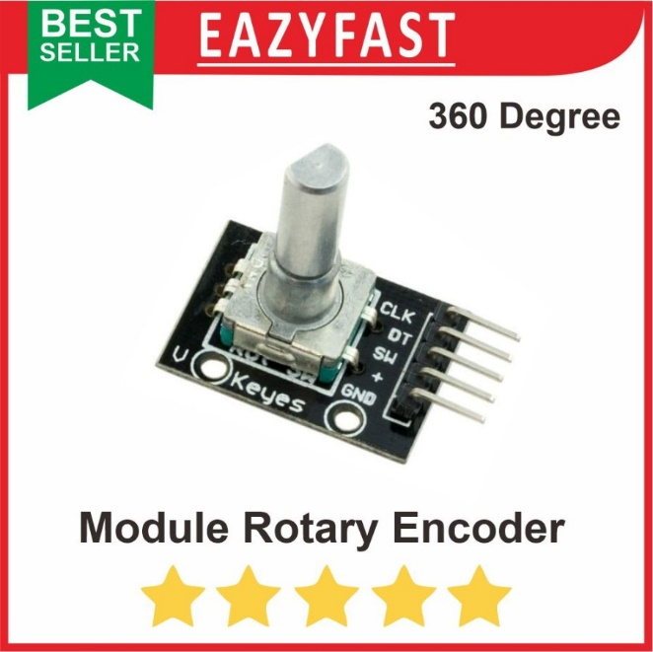 | PDN | Bahan ini digunakan untuk menghitung posisi pada putaran motor robot
TOTAL |  |  |  |  |  |  |  | Rp1,182,092

